EQ1
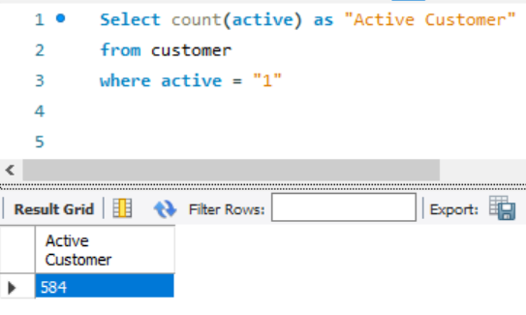
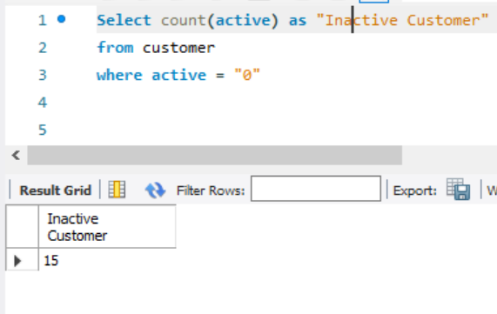
1.Number of Active & Inactive customers

Select count(active) as "Active Customer" | Select count(active) as "Inactive Customer"
from customer | from customer
where active = "1" | where active = "0"

EQ2
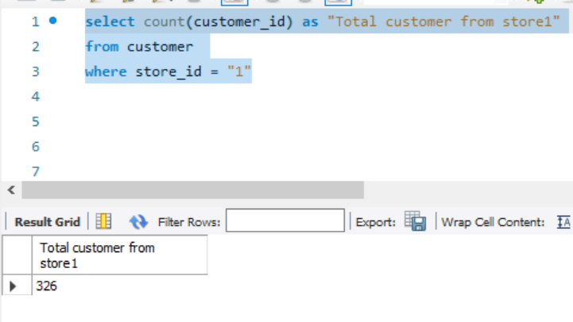
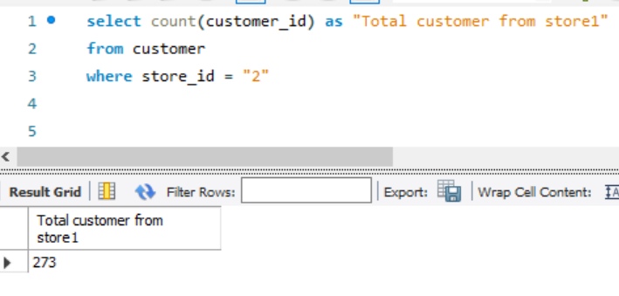
2. Total customer from Store 1 & 2

select count(customer_id) as "Total customer from store1" | select count(customer_id) as "Total customer from store1"
from customer | from customer
where store_id = "1" | where store_id = "2"

EQ3
3. Films By Language

Select title , description, l.name
from film as f
left join language as l on l.language_id = f.language_id

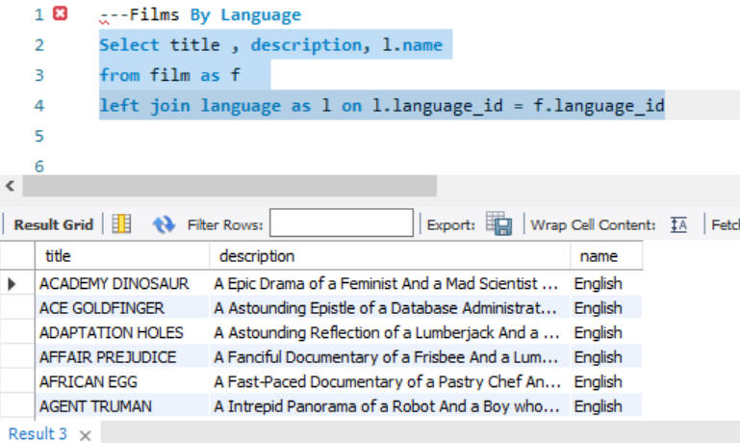
title | description | name
ACADEMY DINOSAUR | A Epic Drama of a Feminist And a Mad Scientist who must Battle a Teacher in The Canadian Rockies | English
ACE GOLDFINGER | A Astounding Epistle of a Database Administrator And a Explorer who must Find a Car in Ancient China | English
ADAPTATION HOLES | A Astounding Reflection of a Lumberjack And a Car who must Sink a Lumberjack in A Baloon Factory | English
AFFAIR PREJUDICE | A Fanciful Documentary of a Frisbee And a Lumberjack who must Chase a Monkey in A Shark Tank | English
AFRICAN EGG | A Fast-Paced Documentary of a Pastry Chef And a Dentist who must Pursue a Forensic Psychologist in The Gulf of Mexico | English
AGENT TRUMAN | A Intrepid Panorama of a Robot And a Boy who must Escape a Sumo Wrestler in Ancient China | English
AIRPLANE SIERRA | A Touching Saga of a Hunter And a Butler who must Discover a Butler in A Jet Boat | English
AIRPORT POLLOCK | A Epic Tale of a Moose And a Girl who must Confront a Monkey in Ancient India | English
ALABAMA DEVIL | A Thoughtful Panorama of a Database Administrator And a Mad Scientist who must Outgun a Mad Scientist in A Jet Boat | English
ALADDIN CALENDAR | A Action-Packed Tale of a Man And a Lumberjack who must Reach a Feminist in Ancient China | English
ALAMO VIDEOTAPE | A Boring Epistle of a Butler And a Cat who must Fight a Pastry Chef in A MySQL Convention | English
ALASKA PHANTOM | A Fanciful Saga of a Hunter And a Pastry Chef who must Vanquish a Boy in Australia | English
ALI FOREVER | A Action-Packed Drama of a Dentist And a Crocodile who must Battle a Feminist in The Canadian Rockies | English
ALICE FANTASIA | A Emotional Drama of a A Shark And a Database Administrator who must Vanquish a Pioneer in Soviet Georgia | English
ALIEN CENTER | A Brilliant Drama of a Cat And a Mad Scientist who must Battle a Feminist in A MySQL Convention | English
ALLEY EVOLUTION | A Fast-Paced Drama of a Robot And a Composer who must Battle a Astronaut in New Orleans | English
ALONE TRIP | A Fast-Paced Character Study of a Composer And a Dog who must Outgun a Boat in An Abandoned Fun House | English
ALTER VICTORY | A Thoughtful Drama of a Composer And a Feminist who must Meet a Secret Agent in The Canadian Rockies | English
AMADEUS HOLY | A Emotional Display of a Pioneer And a Technical Writer who must Battle a Man in A Baloon | English
AMELIE HELLFIGHTERS | A Boring Drama of a Woman And a Squirrel who must Conquer a Student in A Baloon | English
AMERICAN CIRCUS | A Insightful Drama of a Girl And a Astronaut who must Face a Database Administrator in A Shark Tank | English
AMISTAD MIDSUMMER | A Emotional Character Study of a Dentist And a Crocodile who must Meet a Sumo Wrestler in California | English
ANACONDA CONFESSIONS | A Lacklusture Display of a Dentist And a Dentist who must Fight a Girl in Australia | English
ANALYZE HOOSIERS | A Thoughtful Display of a Explorer And a Pastry Chef who must Overcome a Feminist in The Sahara Desert | English
ANGELS LIFE | A Thoughtful Display of a Woman And a Astronaut who must Battle a Robot in Berlin | English
ANNIE IDENTITY | A Amazing Panorama of a Pastry Chef And a Boat who must Escape a Woman in An Abandoned Amusement Park | English
ANONYMOUS HUMAN | A Amazing Reflection of a Database Administrator And a Astronaut who must Outrace a Database Administrator in A Shark Tank | English
ANTHEM LUKE | A Touching Panorama of a Waitress And a Woman who must Outrace a Dog in An Abandoned Amusement Park | English
ANTITRUST TOMATOES | A Fateful Yarn of a Womanizer And a Feminist who must Succumb a Database Administrator in Ancient India | English
ANYTHING SAVANNAH | A Epic Story of a Pastry Chef And a Woman who must Chase a Feminist in An Abandoned Fun House | English
APACHE DIVINE | A Awe-Inspiring Reflection of a Pastry Chef And a Teacher who must Overcome a Sumo Wrestler in A U-Boat | English
APOCALYPSE FLAMINGOS | A Astounding Story of a Dog And a Squirrel who must Defeat a Woman in An Abandoned Amusement Park | English
APOLLO TEEN | A Action-Packed Reflection of a Crocodile And a Explorer who must Find a Sumo Wrestler in An Abandoned Mine Shaft | English
ARABIA DOGMA | A Touching Epistle of a Madman And a Mad Cow who must Defeat a Student in Nigeria | English
ARACHNOPHOBIA ROLLERCOASTER | A Action-Packed Reflection of a Pastry Chef And a Composer who must Discover a Mad Scientist in The First Manned Space Station | English
ARGONAUTS TOWN | A Emotional Epistle of a Forensic Psychologist And a Butler who must Challenge a Waitress in An Abandoned Mine Shaft | English
ARIZONA BANG | A Brilliant Panorama of a Mad Scientist And a Mad Cow who must Meet a Pioneer in A Monastery | English
ARK RIDGEMONT | A Beautiful Yarn of a Pioneer And a Monkey who must Pursue a Explorer in The Sahara Desert | English
ARMAGEDDON LOST | A Fast-Paced Tale of a Boat And a Teacher who must Succumb a Composer in An Abandoned Mine Shaft | English
ARMY FLINTSTONES | A Boring Saga of a Database Administrator And a Womanizer who must Battle a Waitress in Nigeria | English
ARSENIC INDEPENDENCE | A Fanciful Documentary of a Mad Cow And a Womanizer who must Find a Dentist in Berlin | English
ARTIST COLDBLOODED | A Stunning Reflection of a Robot And a Moose who must Challenge a Woman in California | English
ATLANTIS CAUSE | A Thrilling Yarn of a Feminist And a Hunter who must Fight a Technical Writer in A Shark Tank | English
ATTACKS HATE | A Fast-Paced Panorama of a Technical Writer And a Mad Scientist who must Find a Feminist in An Abandoned Mine Shaft | English
ATTRACTION NEWTON | A Astounding Panorama of a Composer And a Frisbee who must Reach a Husband in Ancient Japan | English
AUTUMN CROW | A Beautiful Tale of a Dentist And a Mad Cow who must Battle a Moose in The Sahara Desert | English
BABY HALL | A Boring Character Study of a A Shark And a Girl who must Outrace a Feminist in An Abandoned Mine Shaft | English
BACKLASH UNDEFEATED | A Stunning Character Study of a Mad Scientist And a Mad Cow who must Kill a Car in A Monastery | English
BADMAN DAWN | A Emotional Panorama of a Pioneer And a Composer who must Escape a Mad Scientist in A Jet Boat | English
BAKED CLEOPATRA | A Stunning Drama of a Forensic Psychologist And a Husband who must Overcome a Waitress in A Monastery | English
BALLOON HOMEWARD | A Insightful Panorama of a Forensic Psychologist And a Mad Cow who must Build a Mad Scientist in The First Manned Space Station | English
BALLROOM MOCKINGBIRD | A Thrilling Documentary of a Composer And a Monkey who must Find a Feminist in California | English
BANG KWAI | A Epic Drama of a Madman And a Cat who must Face a A Shark in An Abandoned Amusement Park | English
BANGER PINOCCHIO | A Awe-Inspiring Drama of a Car And a Pastry Chef who must Chase a Crocodile in The First Manned Space Station | English
BARBARELLA STREETCAR | A Awe-Inspiring Story of a Feminist And a Cat who must Conquer a Dog in A Monastery | English
BAREFOOT MANCHURIAN | A Intrepid Story of a Cat And a Student who must Vanquish a Girl in An Abandoned Amusement Park | English
BASIC EASY | A Stunning Epistle of a Man And a Husband who must Reach a Mad Scientist in A Jet Boat | English
BEACH HEARTBREAKERS | A Fateful Display of a Womanizer And a Mad Scientist who must Outgun a A Shark in Soviet Georgia | English
BEAR GRACELAND | A Astounding Saga of a Dog And a Boy who must Kill a Teacher in The First Manned Space Station | English
BEAST HUNCHBACK | A Awe-Inspiring Epistle of a Student And a Squirrel who must Defeat a Boy in Ancient China | English
BEAUTY GREASE | A Fast-Paced Display of a Composer And a Moose who must Sink a Robot in An Abandoned Mine Shaft | English
BED HIGHBALL | A Astounding Panorama of a Lumberjack And a Dog who must Redeem a Woman in An Abandoned Fun House | English
BEDAZZLED MARRIED | A Astounding Character Study of a Madman And a Robot who must Meet a Mad Scientist in An Abandoned Fun House | English
BEETHOVEN EXORCIST | A Epic Display of a Pioneer And a Student who must Challenge a Butler in The Gulf of Mexico | English
BEHAVIOR RUNAWAY | A Unbelieveable Drama of a Student And a Husband who must Outrace a Sumo Wrestler in Berlin | English
BENEATH RUSH | A Astounding Panorama of a Man And a Monkey who must Discover a Man in The First Manned Space Station | English
BERETS AGENT | A Taut Saga of a Crocodile And a Boy who must Overcome a Technical Writer in Ancient China | English
BETRAYED REAR | A Emotional Character Study of a Boat And a Pioneer who must Find a Explorer in A Shark Tank | English
BEVERLY OUTLAW | A Fanciful Documentary of a Womanizer And a Boat who must Defeat a Madman in The First Manned Space Station | English
BIKINI BORROWERS | A Astounding Drama of a Astronaut And a Cat who must Discover a Woman in The First Manned Space Station | English
BILKO ANONYMOUS | A Emotional Reflection of a Teacher And a Man who must Meet a Cat in The First Manned Space Station | English
BILL OTHERS | A Stunning Saga of a Mad Scientist And a Forensic Psychologist who must Challenge a Squirrel in A MySQL Convention | English
BINGO TALENTED | A Touching Tale of a Girl And a Crocodile who must Discover a Waitress in Nigeria | English
BIRCH ANTITRUST | A Fanciful Panorama of a Husband And a Pioneer who must Outgun a Dog in A Baloon | English
BIRD INDEPENDENCE | A Thrilling Documentary of a Car And a Student who must Sink a Hunter in The Canadian Rockies | English
BIRDCAGE CASPER | A Fast-Paced Saga of a Frisbee And a Astronaut who must Overcome a Feminist in Ancient India | English
BIRDS PERDITION | A Boring Story of a Womanizer And a Pioneer who must Face a Dog in California | English
BLACKOUT PRIVATE | A Intrepid Yarn of a Pastry Chef And a Mad Scientist who must Challenge a Secret Agent in Ancient Japan | English
BLADE POLISH | A Thoughtful Character Study of a Frisbee And a Pastry Chef who must Fight a Dentist in The First Manned Space Station | English
BLANKET BEVERLY | A Emotional Documentary of a Student And a Girl who must Build a Boat in Nigeria | English
BLINDNESS GUN | A Touching Drama of a Robot And a Dentist who must Meet a Hunter in A Jet Boat | English
BLOOD ARGONAUTS | A Boring Drama of a Explorer And a Man who must Kill a Lumberjack in A Manhattan Penthouse | English
BLUES INSTINCT | A Insightful Documentary of a Boat And a Composer who must Meet a Forensic Psychologist in An Abandoned Fun House | English
BOILED DARES | A Awe-Inspiring Story of a Waitress And a Dog who must Discover a Dentist in Ancient Japan | English
BONNIE HOLOCAUST | A Fast-Paced Story of a Crocodile And a Robot who must Find a Moose in Ancient Japan | English
BOOGIE AMELIE | A Lacklusture Character Study of a Husband And a Sumo Wrestler who must Succumb a Technical Writer in The Gulf of Mexico | English
BOONDOCK BALLROOM | A Fateful Panorama of a Crocodile And a Boy who must Defeat a Monkey in The Gulf of Mexico | English
BORN SPINAL | A Touching Epistle of a Frisbee And a Husband who must Pursue a Student in Nigeria | English
BORROWERS BEDAZZLED | A Brilliant Epistle of a Teacher And a Sumo Wrestler who must Defeat a Man in An Abandoned Fun House | English
BOULEVARD MOB | A Fateful Epistle of a Moose And a Monkey who must Confront a Lumberjack in Ancient China | English
BOUND CHEAPER | A Thrilling Panorama of a Database Administrator And a Astronaut who must Challenge a Lumberjack in A Baloon | English
BOWFINGER GABLES | A Fast-Paced Yarn of a Waitress And a Composer who must Outgun a Dentist in California | English
BRANNIGAN SUNRISE | A Amazing Epistle of a Moose And a Crocodile who must Outrace a Dog in Berlin | English
BRAVEHEART HUMAN | A Insightful Story of a Dog And a Pastry Chef who must Battle a Girl in Berlin | English
BREAKFAST GOLDFINGER | A Beautiful Reflection of a Student And a Student who must Fight a Moose in Berlin | English
BREAKING HOME | A Beautiful Display of a Secret Agent And a Monkey who must Battle a Sumo Wrestler in An Abandoned Mine Shaft | English
BRIDE INTRIGUE | A Epic Tale of a Robot And a Monkey who must Vanquish a Man in New Orleans | English
BRIGHT ENCOUNTERS | A Fateful Yarn of a Lumberjack And a Feminist who must Conquer a Student in A Jet Boat | English
BRINGING HYSTERICAL | A Fateful Saga of a A Shark And a Technical Writer who must Find a Woman in A Jet Boat | English
BROOKLYN DESERT | A Beautiful Drama of a Dentist And a Composer who must Battle a Sumo Wrestler in The First Manned Space Station | English
BROTHERHOOD BLANKET | A Fateful Character Study of a Butler And a Technical Writer who must Sink a Astronaut in Ancient Japan | English
BUBBLE GROSSE | A Awe-Inspiring Panorama of a Crocodile And a Moose who must Confront a Girl in A Baloon | English
BUCKET BROTHERHOOD | A Amazing Display of a Girl And a Womanizer who must Succumb a Lumberjack in A Baloon Factory | English
BUGSY SONG | A Awe-Inspiring Character Study of a Secret Agent And a Boat who must Find a Squirrel in The First Manned Space Station | English
BULL SHAWSHANK | A Fanciful Drama of a Moose And a Squirrel who must Conquer a Pioneer in The Canadian Rockies | English
BULWORTH COMMANDMENTS | A Amazing Display of a Mad Cow And a Pioneer who must Redeem a Sumo Wrestler in The Outback | English
BUNCH MINDS | A Emotional Story of a Feminist And a Feminist who must Escape a Pastry Chef in A MySQL Convention | English
BUTCH PANTHER | A Lacklusture Yarn of a Feminist And a Database Administrator who must Face a Hunter in New Orleans | English
BUTTERFLY CHOCOLAT | A Fateful Story of a Girl And a Composer who must Conquer a Husband in A Shark Tank | English
CABIN FLASH | A Stunning Epistle of a Boat And a Man who must Challenge a A Shark in A Baloon Factory | English
CADDYSHACK JEDI | A Awe-Inspiring Epistle of a Woman And a Madman who must Fight a Robot in Soviet Georgia | English
CALENDAR GUNFIGHT | A Thrilling Drama of a Frisbee And a Lumberjack who must Sink a Man in Nigeria | English
CALIFORNIA BIRDS | A Thrilling Yarn of a Database Administrator And a Robot who must Battle a Database Administrator in Ancient India | English
CAMELOT VACATION | A Touching Character Study of a Woman And a Waitress who must Battle a Pastry Chef in A MySQL Convention | English
CAMPUS REMEMBER | A Astounding Drama of a Crocodile And a Mad Cow who must Build a Robot in A Jet Boat | English
CANDIDATE PERDITION | A Brilliant Epistle of a Composer And a Database Administrator who must Vanquish a Mad Scientist in The First Manned Space Station | English
CANDLES GRAPES | A Fanciful Character Study of a Monkey And a Explorer who must Build a Astronaut in An Abandoned Fun House | English
CANYON STOCK | A Thoughtful Reflection of a Waitress And a Feminist who must Escape a Squirrel in A Manhattan Penthouse | English
CAPER MOTIONS | A Fateful Saga of a Moose And a Car who must Pursue a Woman in A MySQL Convention | English
CARIBBEAN LIBERTY | A Fanciful Tale of a Pioneer And a Technical Writer who must Outgun a Pioneer in A Shark Tank | English
CAROL TEXAS | A Astounding Character Study of a Composer And a Student who must Overcome a Composer in A Monastery | English
CARRIE BUNCH | A Amazing Epistle of a Student And a Astronaut who must Discover a Frisbee in The Canadian Rockies | English
CASABLANCA SUPER | A Amazing Panorama of a Crocodile And a Forensic Psychologist who must Pursue a Secret Agent in The First Manned Space Station | English
CASPER DRAGONFLY | A Intrepid Documentary of a Boat And a Crocodile who must Chase a Robot in The Sahara Desert | English
CASSIDY WYOMING | A Intrepid Drama of a Frisbee And a Hunter who must Kill a Secret Agent in New Orleans | English
CASUALTIES ENCINO | A Insightful Yarn of a A Shark And a Pastry Chef who must Face a Boy in A Monastery | English
CAT CONEHEADS | A Fast-Paced Panorama of a Girl And a A Shark who must Confront a Boy in Ancient India | English
CATCH AMISTAD | A Boring Reflection of a Lumberjack And a Feminist who must Discover a Woman in Nigeria | English
CAUSE DATE | A Taut Tale of a Explorer And a Pastry Chef who must Conquer a Hunter in A MySQL Convention | English
CELEBRITY HORN | A Amazing Documentary of a Secret Agent And a Astronaut who must Vanquish a Hunter in A Shark Tank | English
CENTER DINOSAUR | A Beautiful Character Study of a Sumo Wrestler And a Dentist who must Find a Dog in California | English
CHAINSAW UPTOWN | A Beautiful Documentary of a Boy And a Robot who must Discover a Squirrel in Australia | English
CHAMBER ITALIAN | A Fateful Reflection of a Moose And a Husband who must Overcome a Monkey in Nigeria | English
CHAMPION FLATLINERS | A Amazing Story of a Mad Cow And a Dog who must Kill a Husband in A Monastery | English
CHANCE RESURRECTION | A Astounding Story of a Forensic Psychologist And a Forensic Psychologist who must Overcome a Moose in Ancient China | English
CHAPLIN LICENSE | A Boring Drama of a Dog And a Forensic Psychologist who must Outrace a Explorer in Ancient India | English
CHARADE DUFFEL | A Action-Packed Display of a Man And a Waitress who must Build a Dog in A MySQL Convention | English
CHARIOTS CONSPIRACY | A Unbelieveable Epistle of a Robot And a Husband who must Chase a Robot in The First Manned Space Station | English
CHASING FIGHT | A Astounding Saga of a Technical Writer And a Butler who must Battle a Butler in A Shark Tank | English
CHEAPER CLYDE | A Emotional Character Study of a Pioneer And a Girl who must Discover a Dog in Ancient Japan | English
CHICAGO NORTH | A Fateful Yarn of a Mad Cow And a Waitress who must Battle a Student in California | English
CHICKEN HELLFIGHTERS | A Emotional Drama of a Dog And a Explorer who must Outrace a Technical Writer in Australia | English
CHILL LUCK | A Lacklusture Epistle of a Boat And a Technical Writer who must Fight a A Shark in The Canadian Rockies | English
CHINATOWN GLADIATOR | A Brilliant Panorama of a Technical Writer And a Lumberjack who must Escape a Butler in Ancient India | English
CHISUM BEHAVIOR | A Epic Documentary of a Sumo Wrestler And a Butler who must Kill a Car in Ancient India | English
CHITTY LOCK | A Boring Epistle of a Boat And a Database Administrator who must Kill a Sumo Wrestler in The First Manned Space Station | English
CHOCOLAT HARRY | A Action-Packed Epistle of a Dentist And a Moose who must Meet a Mad Cow in Ancient Japan | English
CHOCOLATE DUCK | A Unbelieveable Story of a Mad Scientist And a Technical Writer who must Discover a Composer in Ancient China | English
CHRISTMAS MOONSHINE | A Action-Packed Epistle of a Feminist And a Astronaut who must Conquer a Boat in A Manhattan Penthouse | English
CIDER DESIRE | A Stunning Character Study of a Composer And a Mad Cow who must Succumb a Cat in Soviet Georgia | English
CINCINATTI WHISPERER | A Brilliant Saga of a Pastry Chef And a Hunter who must Confront a Butler in Berlin | English
CIRCUS YOUTH | A Thoughtful Drama of a Pastry Chef And a Dentist who must Pursue a Girl in A Baloon | English
CITIZEN SHREK | A Fanciful Character Study of a Technical Writer And a Husband who must Redeem a Robot in The Outback | English
CLASH FREDDY | A Amazing Yarn of a Composer And a Squirrel who must Escape a Astronaut in Australia | English
CLEOPATRA DEVIL | A Fanciful Documentary of a Crocodile And a Technical Writer who must Fight a A Shark in A Baloon | English
CLERKS ANGELS | A Thrilling Display of a Sumo Wrestler And a Girl who must Confront a Man in A Baloon | English
CLOCKWORK PARADISE | A Insightful Documentary of a Technical Writer And a Feminist who must Challenge a Cat in A Baloon | English
CLONES PINOCCHIO | A Amazing Drama of a Car And a Robot who must Pursue a Dentist in New Orleans | English
CLOSER BANG | A Unbelieveable Panorama of a Frisbee And a Hunter who must Vanquish a Monkey in Ancient India | English
CLUB GRAFFITI | A Epic Tale of a Pioneer And a Hunter who must Escape a Girl in A U-Boat | English
CLUE GRAIL | A Taut Tale of a Butler And a Mad Scientist who must Build a Crocodile in Ancient China | English
CLUELESS BUCKET | A Taut Tale of a Car And a Pioneer who must Conquer a Sumo Wrestler in An Abandoned Fun House | English
CLYDE THEORY | A Beautiful Yarn of a Astronaut And a Frisbee who must Overcome a Explorer in A Jet Boat | English
COAST RAINBOW | A Astounding Documentary of a Mad Cow And a Pioneer who must Challenge a Butler in The Sahara Desert | English
COLDBLOODED DARLING | A Brilliant Panorama of a Dentist And a Moose who must Find a Student in The Gulf of Mexico | English
COLOR PHILADELPHIA | A Thoughtful Panorama of a Car And a Crocodile who must Sink a Monkey in The Sahara Desert | English
COMA HEAD | A Awe-Inspiring Drama of a Boy And a Frisbee who must Escape a Pastry Chef in California | English
COMANCHEROS ENEMY | A Boring Saga of a Lumberjack And a Monkey who must Find a Monkey in The Gulf of Mexico | English
COMFORTS RUSH | A Unbelieveable Panorama of a Pioneer And a Husband who must Meet a Mad Cow in An Abandoned Mine Shaft | English
COMMAND DARLING | A Awe-Inspiring Tale of a Forensic Psychologist And a Woman who must Challenge a Database Administrator in Ancient Japan | English
COMMANDMENTS EXPRESS | A Fanciful Saga of a Student And a Mad Scientist who must Battle a Hunter in An Abandoned Mine Shaft | English
CONEHEADS SMOOCHY | A Touching Story of a Womanizer And a Composer who must Pursue a Husband in Nigeria | English
CONFESSIONS MAGUIRE | A Insightful Story of a Car And a Boy who must Battle a Technical Writer in A Baloon | English
CONFIDENTIAL INTERVIEW | A Stunning Reflection of a Cat And a Woman who must Find a Astronaut in Ancient Japan | English
CONFUSED CANDLES | A Stunning Epistle of a Cat And a Forensic Psychologist who must Confront a Pioneer in A Baloon | English
CONGENIALITY QUEST | A Touching Documentary of a Cat And a Pastry Chef who must Find a Lumberjack in A Baloon | English
CONNECTICUT TRAMP | A Unbelieveable Drama of a Crocodile And a Mad Cow who must Reach a Dentist in A Shark Tank | English
CONNECTION MICROCOSMOS | A Fateful Documentary of a Crocodile And a Husband who must Face a Husband in The First Manned Space Station | English
CONQUERER NUTS | A Taut Drama of a Mad Scientist And a Man who must Escape a Pioneer in An Abandoned Mine Shaft | English
CONSPIRACY SPIRIT | A Awe-Inspiring Story of a Student And a Frisbee who must Conquer a Crocodile in An Abandoned Mine Shaft | English
CONTACT ANONYMOUS | A Insightful Display of a A Shark And a Monkey who must Face a Database Administrator in Ancient India | English
CONTROL ANTHEM | A Fateful Documentary of a Robot And a Student who must Battle a Cat in A Monastery | English
CONVERSATION DOWNHILL | A Taut Character Study of a Husband And a Waitress who must Sink a Squirrel in A MySQL Convention | English
CORE SUIT | A Unbelieveable Tale of a Car And a Explorer who must Confront a Boat in A Manhattan Penthouse | English
COWBOY DOOM | A Astounding Drama of a Boy And a Lumberjack who must Fight a Butler in A Baloon | English
CRAFT OUTFIELD | A Lacklusture Display of a Explorer And a Hunter who must Succumb a Database Administrator in A Baloon Factory | English
CRANES RESERVOIR | A Fanciful Documentary of a Teacher And a Dog who must Outgun a Forensic Psychologist in A Baloon Factory | English
CRAZY HOME | A Fanciful Panorama of a Boy And a Woman who must Vanquish a Database Administrator in The Outback | English
CREATURES SHAKESPEARE | A Emotional Drama of a Womanizer And a Squirrel who must Vanquish a Crocodile in Ancient India | English
CREEPERS KANE | A Awe-Inspiring Reflection of a Squirrel And a Boat who must Outrace a Car in A Jet Boat | English
CROOKED FROGMEN | A Unbelieveable Drama of a Hunter And a Database Administrator who must Battle a Crocodile in An Abandoned Amusement Park | English
CROSSING DIVORCE | A Beautiful Documentary of a Dog And a Robot who must Redeem a Womanizer in Berlin | English
CROSSROADS CASUALTIES | A Intrepid Documentary of a Sumo Wrestler And a Astronaut who must Battle a Composer in The Outback | English
CROW GREASE | A Awe-Inspiring Documentary of a Woman And a Husband who must Sink a Database Administrator in The First Manned Space Station | English
CROWDS TELEMARK | A Intrepid Documentary of a Astronaut And a Forensic Psychologist who must Find a Frisbee in An Abandoned Fun House | English
CRUELTY UNFORGIVEN | A Brilliant Tale of a Car And a Moose who must Battle a Dentist in Nigeria | English
CRUSADE HONEY | A Fast-Paced Reflection of a Explorer And a Butler who must Battle a Madman in An Abandoned Amusement Park | English
CRYSTAL BREAKING | A Fast-Paced Character Study of a Feminist And a Explorer who must Face a Pastry Chef in Ancient Japan | English
CUPBOARD SINNERS | A Emotional Reflection of a Frisbee And a Boat who must Reach a Pastry Chef in An Abandoned Amusement Park | English
CURTAIN VIDEOTAPE | A Boring Reflection of a Dentist And a Mad Cow who must Chase a Secret Agent in A Shark Tank | English
CYCLONE FAMILY | A Lacklusture Drama of a Student And a Monkey who must Sink a Womanizer in A MySQL Convention | English
DADDY PITTSBURGH | A Epic Story of a A Shark And a Student who must Confront a Explorer in The Gulf of Mexico | English
DAISY MENAGERIE | A Fast-Paced Saga of a Pastry Chef And a Monkey who must Sink a Composer in Ancient India | English
DALMATIONS SWEDEN | A Emotional Epistle of a Moose And a Hunter who must Overcome a Robot in A Manhattan Penthouse | English
DANCES NONE | A Insightful Reflection of a A Shark And a Dog who must Kill a Butler in An Abandoned Amusement Park | English
DANCING FEVER | A Stunning Story of a Explorer And a Forensic Psychologist who must Face a Crocodile in A Shark Tank | English
DANGEROUS UPTOWN | A Unbelieveable Story of a Mad Scientist And a Woman who must Overcome a Dog in California | English
DARES PLUTO | A Fateful Story of a Robot And a Dentist who must Defeat a Astronaut in New Orleans | English
DARKNESS WAR | A Touching Documentary of a Husband And a Hunter who must Escape a Boy in The Sahara Desert | English
DARKO DORADO | A Stunning Reflection of a Frisbee And a Husband who must Redeem a Dog in New Orleans | English
DARLING BREAKING | A Brilliant Documentary of a Astronaut And a Squirrel who must Succumb a Student in The Gulf of Mexico | English
DARN FORRESTER | A Fateful Story of a A Shark And a Explorer who must Succumb a Technical Writer in A Jet Boat | English
DATE SPEED | A Touching Saga of a Composer And a Moose who must Discover a Dentist in A MySQL Convention | English
DAUGHTER MADIGAN | A Beautiful Tale of a Hunter And a Mad Scientist who must Confront a Squirrel in The First Manned Space Station | English
DAWN POND | A Thoughtful Documentary of a Dentist And a Forensic Psychologist who must Defeat a Waitress in Berlin | English
DAY UNFAITHFUL | A Stunning Documentary of a Composer And a Mad Scientist who must Find a Technical Writer in A U-Boat | English
DAZED PUNK | A Action-Packed Story of a Pioneer And a Technical Writer who must Discover a Forensic Psychologist in An Abandoned Amusement Park | English
DECEIVER BETRAYED | A Taut Story of a Moose And a Squirrel who must Build a Husband in Ancient India | English
DEEP CRUSADE | A Amazing Tale of a Crocodile And a Squirrel who must Discover a Composer in Australia | English
DEER VIRGINIAN | A Thoughtful Story of a Mad Cow And a Womanizer who must Overcome a Mad Scientist in Soviet Georgia | English
DELIVERANCE MULHOLLAND | A Astounding Saga of a Monkey And a Moose who must Conquer a Butler in A Shark Tank | English
DESERT POSEIDON | A Brilliant Documentary of a Butler And a Frisbee who must Build a Astronaut in New Orleans | English
DESIRE ALIEN | A Fast-Paced Tale of a Dog And a Forensic Psychologist who must Meet a Astronaut in The First Manned Space Station | English
DESPERATE TRAINSPOTTING | A Epic Yarn of a Forensic Psychologist And a Teacher who must Face a Lumberjack in California | English
DESTINATION JERK | A Beautiful Yarn of a Teacher And a Cat who must Build a Car in A U-Boat | English
DESTINY SATURDAY | A Touching Drama of a Crocodile And a Crocodile who must Conquer a Explorer in Soviet Georgia | English
DETAILS PACKER | A Epic Saga of a Waitress And a Composer who must Face a Boat in A U-Boat | English
DETECTIVE VISION | A Fanciful Documentary of a Pioneer And a Woman who must Redeem a Hunter in Ancient Japan | English
DEVIL DESIRE | A Beautiful Reflection of a Monkey And a Dentist who must Face a Database Administrator in Ancient Japan | English
DIARY PANIC | A Thoughtful Character Study of a Frisbee And a Mad Cow who must Outgun a Man in Ancient India | English
DINOSAUR SECRETARY | A Action-Packed Drama of a Feminist And a Girl who must Reach a Robot in The Canadian Rockies | English
DIRTY ACE | A Action-Packed Character Study of a Forensic Psychologist And a Girl who must Build a Dentist in The Outback | English
DISCIPLE MOTHER | A Touching Reflection of a Mad Scientist And a Boat who must Face a Moose in A Shark Tank | English
DISTURBING SCARFACE | A Lacklusture Display of a Crocodile And a Butler who must Overcome a Monkey in A U-Boat | English
DIVIDE MONSTER | A Intrepid Saga of a Man And a Forensic Psychologist who must Reach a Squirrel in A Monastery | English
DIVINE RESURRECTION | A Boring Character Study of a Man And a Womanizer who must Succumb a Teacher in An Abandoned Amusement Park | English
DIVORCE SHINING | A Unbelieveable Saga of a Crocodile And a Student who must Discover a Cat in Ancient India | English
DOCTOR GRAIL | A Insightful Drama of a Womanizer And a Waitress who must Reach a Forensic Psychologist in The Outback | English
DOGMA FAMILY | A Brilliant Character Study of a Database Administrator And a Monkey who must Succumb a Astronaut in New Orleans | English
DOLLS RAGE | A Thrilling Display of a Pioneer And a Frisbee who must Escape a Teacher in The Outback | English
DONNIE ALLEY | A Awe-Inspiring Tale of a Butler And a Frisbee who must Vanquish a Teacher in Ancient Japan | English
DOOM DANCING | A Astounding Panorama of a Car And a Mad Scientist who must Battle a Lumberjack in A MySQL Convention | English
DOORS PRESIDENT | A Awe-Inspiring Display of a Squirrel And a Woman who must Overcome a Boy in The Gulf of Mexico | English
DORADO NOTTING | A Action-Packed Tale of a Sumo Wrestler And a A Shark who must Meet a Frisbee in California | English
DOUBLE WRATH | A Thoughtful Yarn of a Womanizer And a Dog who must Challenge a Madman in The Gulf of Mexico | English
DOUBTFIRE LABYRINTH | A Intrepid Panorama of a Butler And a Composer who must Meet a Mad Cow in The Sahara Desert | English
DOWNHILL ENOUGH | A Emotional Tale of a Pastry Chef And a Forensic Psychologist who must Succumb a Monkey in The Sahara Desert | English
DOZEN LION | A Taut Drama of a Cat And a Girl who must Defeat a Frisbee in The Canadian Rockies | English
DRACULA CRYSTAL | A Thrilling Reflection of a Feminist And a Cat who must Find a Frisbee in An Abandoned Fun House | English
DRAGON SQUAD | A Taut Reflection of a Boy And a Waitress who must Outgun a Teacher in Ancient China | English
DRAGONFLY STRANGERS | A Boring Documentary of a Pioneer And a Man who must Vanquish a Man in Nigeria | English
DREAM PICKUP | A Epic Display of a Car And a Composer who must Overcome a Forensic Psychologist in The Gulf of Mexico | English
DRIFTER COMMANDMENTS | A Epic Reflection of a Womanizer And a Squirrel who must Discover a Husband in A Jet Boat | English
DRIVER ANNIE | A Lacklusture Character Study of a Butler And a Car who must Redeem a Boat in An Abandoned Fun House | English
DRIVING POLISH | A Action-Packed Yarn of a Feminist And a Technical Writer who must Sink a Boat in An Abandoned Mine Shaft | English
DROP WATERFRONT | A Fanciful Documentary of a Husband And a Explorer who must Reach a Madman in Ancient China | English
DRUMLINE CYCLONE | A Insightful Panorama of a Monkey And a Sumo Wrestler who must Outrace a Mad Scientist in The Canadian Rockies | English
DRUMS DYNAMITE | A Epic Display of a Crocodile And a Crocodile who must Confront a Dog in An Abandoned Amusement Park | English
DUCK RACER | A Lacklusture Yarn of a Teacher And a Squirrel who must Overcome a Dog in A Shark Tank | English
DUDE BLINDNESS | A Stunning Reflection of a Husband And a Lumberjack who must Face a Frisbee in An Abandoned Fun House | English
DUFFEL APOCALYPSE | A Emotional Display of a Boat And a Explorer who must Challenge a Madman in A MySQL Convention | English
DUMBO LUST | A Touching Display of a Feminist And a Dentist who must Conquer a Husband in The Gulf of Mexico | English
DURHAM PANKY | A Brilliant Panorama of a Girl And a Boy who must Face a Mad Scientist in An Abandoned Mine Shaft | English
DWARFS ALTER | A Emotional Yarn of a Girl And a Dog who must Challenge a Composer in Ancient Japan | English
DYING MAKER | A Intrepid Tale of a Boat And a Monkey who must Kill a Cat in California | English
DYNAMITE TARZAN | A Intrepid Documentary of a Forensic Psychologist And a Mad Scientist who must Face a Explorer in A U-Boat | English
EAGLES PANKY | A Thoughtful Story of a Car And a Boy who must Find a A Shark in The Sahara Desert | English
EARLY HOME | A Amazing Panorama of a Mad Scientist And a Husband who must Meet a Woman in The Outback | English
EARRING INSTINCT | A Stunning Character Study of a Dentist And a Mad Cow who must Find a Teacher in Nigeria | English
EARTH VISION | A Stunning Drama of a Butler And a Madman who must Outrace a Womanizer in Ancient India | English
EASY GLADIATOR | A Fateful Story of a Monkey And a Girl who must Overcome a Pastry Chef in Ancient India | English
EDGE KISSING | A Beautiful Yarn of a Composer And a Mad Cow who must Redeem a Mad Scientist in A Jet Boat | English
EFFECT GLADIATOR | A Beautiful Display of a Pastry Chef And a Pastry Chef who must Outgun a Forensic Psychologist in A Manhattan Penthouse | English
EGG IGBY | A Beautiful Documentary of a Boat And a Sumo Wrestler who must Succumb a Database Administrator in The First Manned Space Station | English
EGYPT TENENBAUMS | A Intrepid Story of a Madman And a Secret Agent who must Outrace a Astronaut in An Abandoned Amusement Park | English
ELEMENT FREDDY | A Awe-Inspiring Reflection of a Waitress And a Squirrel who must Kill a Mad Cow in A Jet Boat | English
ELEPHANT TROJAN | A Beautiful Panorama of a Lumberjack And a Forensic Psychologist who must Overcome a Frisbee in A Baloon | English
ELF MURDER | A Action-Packed Story of a Frisbee And a Woman who must Reach a Girl in An Abandoned Mine Shaft | English
ELIZABETH SHANE | A Lacklusture Display of a Womanizer And a Dog who must Face a Sumo Wrestler in Ancient Japan | English
EMPIRE MALKOVICH | A Amazing Story of a Feminist And a Cat who must Face a Car in An Abandoned Fun House | English
ENCINO ELF | A Astounding Drama of a Feminist And a Teacher who must Confront a Husband in A Baloon | English
ENCOUNTERS CURTAIN | A Insightful Epistle of a Pastry Chef And a Womanizer who must Build a Boat in New Orleans | English
ENDING CROWDS | A Unbelieveable Display of a Dentist And a Madman who must Vanquish a Squirrel in Berlin | English
ENEMY ODDS | A Fanciful Panorama of a Mad Scientist And a Woman who must Pursue a Astronaut in Ancient India | English
ENGLISH BULWORTH | A Intrepid Epistle of a Pastry Chef And a Pastry Chef who must Pursue a Crocodile in Ancient China | English
ENOUGH RAGING | A Astounding Character Study of a Boat And a Secret Agent who must Find a Mad Cow in The Sahara Desert | English
ENTRAPMENT SATISFACTION | A Thoughtful Panorama of a Hunter And a Teacher who must Reach a Mad Cow in A U-Boat | English
ESCAPE METROPOLIS | A Taut Yarn of a Astronaut And a Technical Writer who must Outgun a Boat in New Orleans | English
EVE RESURRECTION | A Awe-Inspiring Yarn of a Pastry Chef And a Database Administrator who must Challenge a Teacher in A Baloon | English
EVERYONE CRAFT | A Fateful Display of a Waitress And a Dentist who must Reach a Butler in Nigeria | English
EVOLUTION ALTER | A Fanciful Character Study of a Feminist And a Madman who must Find a Explorer in A Baloon Factory | English
EXCITEMENT EVE | A Brilliant Documentary of a Monkey And a Car who must Conquer a Crocodile in A Shark Tank | English
EXORCIST STING | A Touching Drama of a Dog And a Sumo Wrestler who must Conquer a Mad Scientist in Berlin | English
EXPECATIONS NATURAL | A Amazing Drama of a Butler And a Husband who must Reach a A Shark in A U-Boat | English
EXPENDABLE STALLION | A Amazing Character Study of a Mad Cow And a Squirrel who must Discover a Hunter in A U-Boat | English
EXPRESS LONELY | A Boring Drama of a Astronaut And a Boat who must Face a Boat in California | English
EXTRAORDINARY CONQUERER | A Stunning Story of a Dog And a Feminist who must Face a Forensic Psychologist in Berlin | English
EYES DRIVING | A Thrilling Story of a Cat And a Waitress who must Fight a Explorer in The Outback | English
FACTORY DRAGON | A Action-Packed Saga of a Teacher And a Frisbee who must Escape a Lumberjack in The Sahara Desert | English
FALCON VOLUME | A Fateful Saga of a Sumo Wrestler And a Hunter who must Redeem a A Shark in New Orleans | English
FAMILY SWEET | A Epic Documentary of a Teacher And a Boy who must Escape a Woman in Berlin | English
FANTASIA PARK | A Thoughtful Documentary of a Mad Scientist And a A Shark who must Outrace a Feminist in Australia | English
FANTASY TROOPERS | A Touching Saga of a Teacher And a Monkey who must Overcome a Secret Agent in A MySQL Convention | English
FARGO GANDHI | A Thrilling Reflection of a Pastry Chef And a Crocodile who must Reach a Teacher in The Outback | English
FATAL HAUNTED | A Beautiful Drama of a Student And a Secret Agent who must Confront a Dentist in Ancient Japan | English
FEATHERS METAL | A Thoughtful Yarn of a Monkey And a Teacher who must Find a Dog in Australia | English
FELLOWSHIP AUTUMN | A Lacklusture Reflection of a Dentist And a Hunter who must Meet a Teacher in A Baloon | English
FERRIS MOTHER | A Touching Display of a Frisbee And a Frisbee who must Kill a Girl in The Gulf of Mexico | English
FEUD FROGMEN | A Brilliant Reflection of a Database Administrator And a Mad Cow who must Chase a Woman in The Canadian Rockies | English
FEVER EMPIRE | A Insightful Panorama of a Cat And a Boat who must Defeat a Boat in The Gulf of Mexico | English
FICTION CHRISTMAS | A Emotional Yarn of a A Shark And a Student who must Battle a Robot in An Abandoned Mine Shaft | English
FIDDLER LOST | A Boring Tale of a Squirrel And a Dog who must Challenge a Madman in The Gulf of Mexico | English
FIDELITY DEVIL | A Awe-Inspiring Drama of a Technical Writer And a Composer who must Reach a Pastry Chef in A U-Boat | English
FIGHT JAWBREAKER | A Intrepid Panorama of a Womanizer And a Girl who must Escape a Girl in A Manhattan Penthouse | English
FINDING ANACONDA | A Fateful Tale of a Database Administrator And a Girl who must Battle a Squirrel in New Orleans | English
FIRE WOLVES | A Intrepid Documentary of a Frisbee And a Dog who must Outrace a Lumberjack in Nigeria | English
FIREBALL PHILADELPHIA | A Amazing Yarn of a Dentist And a A Shark who must Vanquish a Madman in An Abandoned Mine Shaft | English
FIREHOUSE VIETNAM | A Awe-Inspiring Character Study of a Boat And a Boy who must Kill a Pastry Chef in The Sahara Desert | English
FISH OPUS | A Touching Display of a Feminist And a Girl who must Confront a Astronaut in Australia | English
FLAMINGOS CONNECTICUT | A Fast-Paced Reflection of a Composer And a Composer who must Meet a Cat in The Sahara Desert | English
FLASH WARS | A Astounding Saga of a Moose And a Pastry Chef who must Chase a Student in The Gulf of Mexico | English
FLATLINERS KILLER | A Taut Display of a Secret Agent And a Waitress who must Sink a Robot in An Abandoned Mine Shaft | English
FLIGHT LIES | A Stunning Character Study of a Crocodile And a Pioneer who must Pursue a Teacher in New Orleans | English
FLINTSTONES HAPPINESS | A Fateful Story of a Husband And a Moose who must Vanquish a Boy in California | English
FLOATS GARDEN | A Action-Packed Epistle of a Robot And a Car who must Chase a Boat in Ancient Japan | English
FLYING HOOK | A Thrilling Display of a Mad Cow And a Dog who must Challenge a Frisbee in Nigeria | English
FOOL MOCKINGBIRD | A Lacklusture Tale of a Crocodile And a Composer who must Defeat a Madman in A U-Boat | English
FOREVER CANDIDATE | A Unbelieveable Panorama of a Technical Writer And a Man who must Pursue a Frisbee in A U-Boat | English
FORREST SONS | A Thrilling Documentary of a Forensic Psychologist And a Butler who must Defeat a Explorer in A Jet Boat | English
FORRESTER COMANCHEROS | A Fateful Tale of a Squirrel And a Forensic Psychologist who must Redeem a Man in Nigeria | English
FORWARD TEMPLE | A Astounding Display of a Forensic Psychologist And a Mad Scientist who must Challenge a Girl in New Orleans | English
FRANKENSTEIN STRANGER | A Insightful Character Study of a Feminist And a Pioneer who must Pursue a Pastry Chef in Nigeria | English
FREAKY POCUS | A Fast-Paced Documentary of a Pastry Chef And a Crocodile who must Chase a Squirrel in The Gulf of Mexico | English
FREDDY STORM | A Intrepid Saga of a Man And a Lumberjack who must Vanquish a Husband in The Outback | English
FREEDOM CLEOPATRA | A Emotional Reflection of a Dentist And a Mad Cow who must Face a Squirrel in A Baloon | English
FRENCH HOLIDAY | A Thrilling Epistle of a Dog And a Feminist who must Kill a Madman in Berlin | English
FRIDA SLIPPER | A Fateful Story of a Lumberjack And a Car who must Escape a Boat in An Abandoned Mine Shaft | English
FRISCO FORREST | A Beautiful Documentary of a Woman And a Pioneer who must Pursue a Mad Scientist in A Shark Tank | English
FROGMEN BREAKING | A Unbelieveable Yarn of a Mad Scientist And a Cat who must Chase a Lumberjack in Australia | English
FRONTIER CABIN | A Emotional Story of a Madman And a Waitress who must Battle a Teacher in An Abandoned Fun House | English
FROST HEAD | A Amazing Reflection of a Lumberjack And a Cat who must Discover a Husband in A MySQL Convention | English
FUGITIVE MAGUIRE | A Taut Epistle of a Feminist And a Sumo Wrestler who must Battle a Crocodile in Australia | English
FULL FLATLINERS | A Beautiful Documentary of a Astronaut And a Moose who must Pursue a Monkey in A Shark Tank | English
FURY MURDER | A Lacklusture Reflection of a Boat And a Forensic Psychologist who must Fight a Waitress in A Monastery | English
GABLES METROPOLIS | A Fateful Display of a Cat And a Pioneer who must Challenge a Pastry Chef in A Baloon Factory | English
GALAXY SWEETHEARTS | A Emotional Reflection of a Womanizer And a Pioneer who must Face a Squirrel in Berlin | English
GAMES BOWFINGER | A Astounding Documentary of a Butler And a Explorer who must Challenge a Butler in A Monastery | English
GANDHI KWAI | A Thoughtful Display of a Mad Scientist And a Secret Agent who must Chase a Boat in Berlin | English
GANGS PRIDE | A Taut Character Study of a Woman And a A Shark who must Confront a Frisbee in Berlin | English
GARDEN ISLAND | A Unbelieveable Character Study of a Womanizer And a Madman who must Reach a Man in The Outback | English
GASLIGHT CRUSADE | A Amazing Epistle of a Boy And a Astronaut who must Redeem a Man in The Gulf of Mexico | English
GATHERING CALENDAR | A Intrepid Tale of a Pioneer And a Moose who must Conquer a Frisbee in A MySQL Convention | English
GENTLEMEN STAGE | A Awe-Inspiring Reflection of a Monkey And a Student who must Overcome a Dentist in The First Manned Space Station | English
GHOST GROUNDHOG | A Brilliant Panorama of a Madman And a Composer who must Succumb a Car in Ancient India | English
GHOSTBUSTERS ELF | A Thoughtful Epistle of a Dog And a Feminist who must Chase a Composer in Berlin | English
GIANT TROOPERS | A Fateful Display of a Feminist And a Monkey who must Vanquish a Monkey in The Canadian Rockies | English
GILBERT PELICAN | A Fateful Tale of a Man And a Feminist who must Conquer a Crocodile in A Manhattan Penthouse | English
GILMORE BOILED | A Unbelieveable Documentary of a Boat And a Husband who must Succumb a Student in A U-Boat | English
GLADIATOR WESTWARD | A Astounding Reflection of a Squirrel And a Sumo Wrestler who must Sink a Dentist in Ancient Japan | English
GLASS DYING | A Astounding Drama of a Frisbee And a Astronaut who must Fight a Dog in Ancient Japan | English
GLEAMING JAWBREAKER | A Amazing Display of a Composer And a Forensic Psychologist who must Discover a Car in The Canadian Rockies | English
GLORY TRACY | A Amazing Saga of a Woman And a Womanizer who must Discover a Cat in The First Manned Space Station | English
GO PURPLE | A Fast-Paced Display of a Car And a Database Administrator who must Battle a Woman in A Baloon | English
GODFATHER DIARY | A Stunning Saga of a Lumberjack And a Squirrel who must Chase a Car in The Outback | English
GOLD RIVER | A Taut Documentary of a Database Administrator And a Waitress who must Reach a Mad Scientist in A Baloon Factory | English
GOLDFINGER SENSIBILITY | A Insightful Drama of a Mad Scientist And a Hunter who must Defeat a Pastry Chef in New Orleans | English
GOLDMINE TYCOON | A Brilliant Epistle of a Composer And a Frisbee who must Conquer a Husband in The Outback | English
GONE TROUBLE | A Insightful Character Study of a Mad Cow And a Forensic Psychologist who must Conquer a A Shark in A Manhattan Penthouse | English
GOODFELLAS SALUTE | A Unbelieveable Tale of a Dog And a Explorer who must Sink a Mad Cow in A Baloon Factory | English
GORGEOUS BINGO | A Action-Packed Display of a Sumo Wrestler And a Car who must Overcome a Waitress in A Baloon Factory | English
GOSFORD DONNIE | A Epic Panorama of a Mad Scientist And a Monkey who must Redeem a Secret Agent in Berlin | English
GRACELAND DYNAMITE | A Taut Display of a Cat And a Girl who must Overcome a Database Administrator in New Orleans | English
GRADUATE LORD | A Lacklusture Epistle of a Girl And a A Shark who must Meet a Mad Scientist in Ancient China | English
GRAFFITI LOVE | A Unbelieveable Epistle of a Sumo Wrestler And a Hunter who must Build a Composer in Berlin | English
GRAIL FRANKENSTEIN | A Unbelieveable Saga of a Teacher And a Monkey who must Fight a Girl in An Abandoned Mine Shaft | English
GRAPES FURY | A Boring Yarn of a Mad Cow And a Sumo Wrestler who must Meet a Robot in Australia | English
GREASE YOUTH | A Emotional Panorama of a Secret Agent And a Waitress who must Escape a Composer in Soviet Georgia | English
GREATEST NORTH | A Astounding Character Study of a Secret Agent And a Robot who must Build a A Shark in Berlin | English
GREEDY ROOTS | A Amazing Reflection of a A Shark And a Butler who must Chase a Hunter in The Canadian Rockies | English
GREEK EVERYONE | A Stunning Display of a Butler And a Teacher who must Confront a A Shark in The First Manned Space Station | English
GRINCH MASSAGE | A Intrepid Display of a Madman And a Feminist who must Pursue a Pioneer in The First Manned Space Station | English
GRIT CLOCKWORK | A Thoughtful Display of a Dentist And a Squirrel who must Confront a Lumberjack in A Shark Tank | English
GROOVE FICTION | A Unbelieveable Reflection of a Moose And a A Shark who must Defeat a Lumberjack in An Abandoned Mine Shaft | English
GROSSE WONDERFUL | A Epic Drama of a Cat And a Explorer who must Redeem a Moose in Australia | English
GROUNDHOG UNCUT | A Brilliant Panorama of a Astronaut And a Technical Writer who must Discover a Butler in A Manhattan Penthouse | English
GUMP DATE | A Intrepid Yarn of a Explorer And a Student who must Kill a Husband in An Abandoned Mine Shaft | English
GUN BONNIE | A Boring Display of a Sumo Wrestler And a Husband who must Build a Waitress in The Gulf of Mexico | English
GUNFIGHT MOON | A Epic Reflection of a Pastry Chef And a Explorer who must Reach a Dentist in The Sahara Desert | English
GUNFIGHTER MUSSOLINI | A Touching Saga of a Robot And a Boy who must Kill a Man in Ancient Japan | English
GUYS FALCON | A Boring Story of a Woman And a Feminist who must Redeem a Squirrel in A U-Boat | English
HALF OUTFIELD | A Epic Epistle of a Database Administrator And a Crocodile who must Face a Madman in A Jet Boat | English
HALL CASSIDY | A Beautiful Panorama of a Pastry Chef And a A Shark who must Battle a Pioneer in Soviet Georgia | English
HALLOWEEN NUTS | A Amazing Panorama of a Forensic Psychologist And a Technical Writer who must Fight a Dentist in A U-Boat | English
HAMLET WISDOM | A Touching Reflection of a Man And a Man who must Sink a Robot in The Outback | English
HANDICAP BOONDOCK | A Beautiful Display of a Pioneer And a Squirrel who must Vanquish a Sumo Wrestler in Soviet Georgia | English
HANGING DEEP | A Action-Packed Yarn of a Boat And a Crocodile who must Build a Monkey in Berlin | English
HANKY OCTOBER | A Boring Epistle of a Database Administrator And a Explorer who must Pursue a Madman in Soviet Georgia | English
HANOVER GALAXY | A Stunning Reflection of a Girl And a Secret Agent who must Succumb a Boy in A MySQL Convention | English
HAPPINESS UNITED | A Action-Packed Panorama of a Husband And a Feminist who must Meet a Forensic Psychologist in Ancient Japan | English
HARDLY ROBBERS | A Emotional Character Study of a Hunter And a Car who must Kill a Woman in Berlin | English
HAROLD FRENCH | A Stunning Saga of a Sumo Wrestler And a Student who must Outrace a Moose in The Sahara Desert | English
HARPER DYING | A Awe-Inspiring Reflection of a Woman And a Cat who must Confront a Feminist in The Sahara Desert | English
HARRY IDAHO | A Taut Yarn of a Technical Writer And a Feminist who must Outrace a Dog in California | English
HATE HANDICAP | A Intrepid Reflection of a Mad Scientist And a Pioneer who must Overcome a Hunter in The First Manned Space Station | English
HAUNTED ANTITRUST | A Amazing Saga of a Man And a Dentist who must Reach a Technical Writer in Ancient India | English
HAUNTING PIANIST | A Fast-Paced Story of a Database Administrator And a Composer who must Defeat a Squirrel in An Abandoned Amusement Park | English
HAWK CHILL | A Action-Packed Drama of a Mad Scientist And a Composer who must Outgun a Car in Australia | English
HEAD STRANGER | A Thoughtful Saga of a Hunter And a Crocodile who must Confront a Dog in The Gulf of Mexico | English
HEARTBREAKERS BRIGHT | A Awe-Inspiring Documentary of a A Shark And a Dentist who must Outrace a Pastry Chef in The Canadian Rockies | English
HEAVEN FREEDOM | A Intrepid Story of a Butler And a Car who must Vanquish a Man in New Orleans | English
HEAVENLY GUN | A Beautiful Yarn of a Forensic Psychologist And a Frisbee who must Battle a Moose in A Jet Boat | English
HEAVYWEIGHTS BEAST | A Unbelieveable Story of a Composer And a Dog who must Overcome a Womanizer in An Abandoned Amusement Park | English
HEDWIG ALTER | A Action-Packed Yarn of a Womanizer And a Lumberjack who must Chase a Sumo Wrestler in A Monastery | English
HELLFIGHTERS SIERRA | A Taut Reflection of a A Shark And a Dentist who must Battle a Boat in Soviet Georgia | English
HIGH ENCINO | A Fateful Saga of a Waitress And a Hunter who must Outrace a Sumo Wrestler in Australia | English
HIGHBALL POTTER | A Action-Packed Saga of a Husband And a Dog who must Redeem a Database Administrator in The Sahara Desert | English
HILLS NEIGHBORS | A Epic Display of a Hunter And a Feminist who must Sink a Car in A U-Boat | English
HOBBIT ALIEN | A Emotional Drama of a Husband And a Girl who must Outgun a Composer in The First Manned Space Station | English
HOCUS FRIDA | A Awe-Inspiring Tale of a Girl And a Madman who must Outgun a Student in A Shark Tank | English
HOLES BRANNIGAN | A Fast-Paced Reflection of a Technical Writer And a Student who must Fight a Boy in The Canadian Rockies | English
HOLIDAY GAMES | A Insightful Reflection of a Waitress And a Madman who must Pursue a Boy in Ancient Japan | English
HOLLOW JEOPARDY | A Beautiful Character Study of a Robot And a Astronaut who must Overcome a Boat in A Monastery | English
HOLLYWOOD ANONYMOUS | A Fast-Paced Epistle of a Boy And a Explorer who must Escape a Dog in A U-Boat | English
HOLOCAUST HIGHBALL | A Awe-Inspiring Yarn of a Composer And a Man who must Find a Robot in Soviet Georgia | English
HOLY TADPOLE | A Action-Packed Display of a Feminist And a Pioneer who must Pursue a Dog in A Baloon Factory | English
HOME PITY | A Touching Panorama of a Man And a Secret Agent who must Challenge a Teacher in A MySQL Convention | English
HOMEWARD CIDER | A Taut Reflection of a Astronaut And a Squirrel who must Fight a Squirrel in A Manhattan Penthouse | English
HOMICIDE PEACH | A Astounding Documentary of a Hunter And a Boy who must Confront a Boy in A MySQL Convention | English
HONEY TIES | A Taut Story of a Waitress And a Crocodile who must Outrace a Lumberjack in A Shark Tank | English
HOOK CHARIOTS | A Insightful Story of a Boy And a Dog who must Redeem a Boy in Australia | English
HOOSIERS BIRDCAGE | A Astounding Display of a Explorer And a Boat who must Vanquish a Car in The First Manned Space Station | English
HOPE TOOTSIE | A Amazing Documentary of a Student And a Sumo Wrestler who must Outgun a A Shark in A Shark Tank | English
HORN WORKING | A Stunning Display of a Mad Scientist And a Technical Writer who must Succumb a Monkey in A Shark Tank | English
HORROR REIGN | A Touching Documentary of a A Shark And a Car who must Build a Husband in Nigeria | English
HOTEL HAPPINESS | A Thrilling Yarn of a Pastry Chef And a A Shark who must Challenge a Mad Scientist in The Outback | English
HOURS RAGE | A Fateful Story of a Explorer And a Feminist who must Meet a Technical Writer in Soviet Georgia | English
HOUSE DYNAMITE | A Taut Story of a Pioneer And a Squirrel who must Battle a Student in Soviet Georgia | English
HUMAN GRAFFITI | A Beautiful Reflection of a Womanizer And a Sumo Wrestler who must Chase a Database Administrator in The Gulf of Mexico | English
HUNCHBACK IMPOSSIBLE | A Touching Yarn of a Frisbee And a Dentist who must Fight a Composer in Ancient Japan | English
HUNGER ROOF | A Unbelieveable Yarn of a Student And a Database Administrator who must Outgun a Husband in An Abandoned Mine Shaft | English
HUNTER ALTER | A Emotional Drama of a Mad Cow And a Boat who must Redeem a Secret Agent in A Shark Tank | English
HUNTING MUSKETEERS | A Thrilling Reflection of a Pioneer And a Dentist who must Outrace a Womanizer in An Abandoned Mine Shaft | English
HURRICANE AFFAIR | A Lacklusture Epistle of a Database Administrator And a Woman who must Meet a Hunter in An Abandoned Mine Shaft | English
HUSTLER PARTY | A Emotional Reflection of a Sumo Wrestler And a Monkey who must Conquer a Robot in The Sahara Desert | English
HYDE DOCTOR | A Fanciful Documentary of a Boy And a Woman who must Redeem a Womanizer in A Jet Boat | English
HYSTERICAL GRAIL | A Amazing Saga of a Madman And a Dentist who must Build a Car in A Manhattan Penthouse | English
ICE CROSSING | A Fast-Paced Tale of a Butler And a Moose who must Overcome a Pioneer in A Manhattan Penthouse | English
IDAHO LOVE | A Fast-Paced Drama of a Student And a Crocodile who must Meet a Database Administrator in The Outback | English
IDENTITY LOVER | A Boring Tale of a Composer And a Mad Cow who must Defeat a Car in The Outback | English
IDOLS SNATCHERS | A Insightful Drama of a Car And a Composer who must Fight a Man in A Monastery | English
IGBY MAKER | A Epic Documentary of a Hunter And a Dog who must Outgun a Dog in A Baloon Factory | English
ILLUSION AMELIE | A Emotional Epistle of a Boat And a Mad Scientist who must Outrace a Robot in An Abandoned Mine Shaft | English
IMAGE PRINCESS | A Lacklusture Panorama of a Secret Agent And a Crocodile who must Discover a Madman in The Canadian Rockies | English
IMPACT ALADDIN | A Epic Character Study of a Frisbee And a Moose who must Outgun a Technical Writer in A Shark Tank | English
IMPOSSIBLE PREJUDICE | A Awe-Inspiring Yarn of a Monkey And a Hunter who must Chase a Teacher in Ancient China | English
INCH JET | A Fateful Saga of a Womanizer And a Student who must Defeat a Butler in A Monastery | English
INDEPENDENCE HOTEL | A Thrilling Tale of a Technical Writer And a Boy who must Face a Pioneer in A Monastery | English
INDIAN LOVE | A Insightful Saga of a Mad Scientist And a Mad Scientist who must Kill a Astronaut in An Abandoned Fun House | English
INFORMER DOUBLE | A Action-Packed Display of a Woman And a Dentist who must Redeem a Forensic Psychologist in The Canadian Rockies | English
INNOCENT USUAL | A Beautiful Drama of a Pioneer And a Crocodile who must Challenge a Student in The Outback | English
INSECTS STONE | A Epic Display of a Butler And a Dog who must Vanquish a Crocodile in A Manhattan Penthouse | English
INSIDER ARIZONA | A Astounding Saga of a Mad Scientist And a Hunter who must Pursue a Robot in A Baloon Factory | English
INSTINCT AIRPORT | A Touching Documentary of a Mad Cow And a Explorer who must Confront a Butler in A Manhattan Penthouse | English
INTENTIONS EMPIRE | A Astounding Epistle of a Cat And a Cat who must Conquer a Mad Cow in A U-Boat | English
INTERVIEW LIAISONS | A Action-Packed Reflection of a Student And a Butler who must Discover a Database Administrator in A Manhattan Penthouse | English
INTOLERABLE INTENTIONS | A Awe-Inspiring Story of a Monkey And a Pastry Chef who must Succumb a Womanizer in A MySQL Convention | English
INTRIGUE WORST | A Fanciful Character Study of a Explorer And a Mad Scientist who must Vanquish a Squirrel in A Jet Boat | English
INVASION CYCLONE | A Lacklusture Character Study of a Mad Scientist And a Womanizer who must Outrace a Explorer in A Monastery | English
IRON MOON | A Fast-Paced Documentary of a Mad Cow And a Boy who must Pursue a Dentist in A Baloon | English
ISHTAR ROCKETEER | A Astounding Saga of a Dog And a Squirrel who must Conquer a Dog in An Abandoned Fun House | English
ISLAND EXORCIST | A Fanciful Panorama of a Technical Writer And a Boy who must Find a Dentist in An Abandoned Fun House | English
ITALIAN AFRICAN | A Astounding Character Study of a Monkey And a Moose who must Outgun a Cat in A U-Boat | English
JACKET FRISCO | A Insightful Reflection of a Womanizer And a Husband who must Conquer a Pastry Chef in A Baloon | English
JADE BUNCH | A Insightful Panorama of a Squirrel And a Mad Cow who must Confront a Student in The First Manned Space Station | English
JAPANESE RUN | A Awe-Inspiring Epistle of a Feminist And a Girl who must Sink a Girl in The Outback | English
JASON TRAP | A Thoughtful Tale of a Woman And a A Shark who must Conquer a Dog in A Monastery | English
JAWBREAKER BROOKLYN | A Stunning Reflection of a Boat And a Pastry Chef who must Succumb a A Shark in A Jet Boat | English
JAWS HARRY | A Thrilling Display of a Database Administrator And a Monkey who must Overcome a Dog in An Abandoned Fun House | English
JEDI BENEATH | A Astounding Reflection of a Explorer And a Dentist who must Pursue a Student in Nigeria | English
JEEPERS WEDDING | A Astounding Display of a Composer And a Dog who must Kill a Pastry Chef in Soviet Georgia | English
JEKYLL FROGMEN | A Fanciful Epistle of a Student And a Astronaut who must Kill a Waitress in A Shark Tank | English
JEOPARDY ENCINO | A Boring Panorama of a Man And a Mad Cow who must Face a Explorer in Ancient India | English
JERICHO MULAN | A Amazing Yarn of a Hunter And a Butler who must Defeat a Boy in A Jet Boat | English
JERK PAYCHECK | A Touching Character Study of a Pastry Chef And a Database Administrator who must Reach a A Shark in Ancient Japan | English
JERSEY SASSY | A Lacklusture Documentary of a Madman And a Mad Cow who must Find a Feminist in Ancient Japan | English
JET NEIGHBORS | A Amazing Display of a Lumberjack And a Teacher who must Outrace a Woman in A U-Boat | English
JINGLE SAGEBRUSH | A Epic Character Study of a Feminist And a Student who must Meet a Woman in A Baloon | English
JOON NORTHWEST | A Thrilling Panorama of a Technical Writer And a Car who must Discover a Forensic Psychologist in A Shark Tank | English
JUGGLER HARDLY | A Epic Story of a Mad Cow And a Astronaut who must Challenge a Car in California | English
JUMANJI BLADE | A Intrepid Yarn of a Husband And a Womanizer who must Pursue a Mad Scientist in New Orleans | English
JUMPING WRATH | A Touching Epistle of a Monkey And a Feminist who must Discover a Boat in Berlin | English
JUNGLE CLOSER | A Boring Character Study of a Boy And a Woman who must Battle a Astronaut in Australia | English
KANE EXORCIST | A Epic Documentary of a Composer And a Robot who must Overcome a Car in Berlin | English
KARATE MOON | A Astounding Yarn of a Womanizer And a Dog who must Reach a Waitress in A MySQL Convention | English
KENTUCKIAN GIANT | A Stunning Yarn of a Woman And a Frisbee who must Escape a Waitress in A U-Boat | English
KICK SAVANNAH | A Emotional Drama of a Monkey And a Robot who must Defeat a Monkey in New Orleans | English
KILL BROTHERHOOD | A Touching Display of a Hunter And a Secret Agent who must Redeem a Husband in The Outback | English
KILLER INNOCENT | A Fanciful Character Study of a Student And a Explorer who must Succumb a Composer in An Abandoned Mine Shaft | English
KING EVOLUTION | A Action-Packed Tale of a Boy And a Lumberjack who must Chase a Madman in A Baloon | English
KISS GLORY | A Lacklusture Reflection of a Girl And a Husband who must Find a Robot in The Canadian Rockies | English
KISSING DOLLS | A Insightful Reflection of a Pioneer And a Teacher who must Build a Composer in The First Manned Space Station | English
KNOCK WARLOCK | A Unbelieveable Story of a Teacher And a Boat who must Confront a Moose in A Baloon | English
KRAMER CHOCOLATE | A Amazing Yarn of a Robot And a Pastry Chef who must Redeem a Mad Scientist in The Outback | English
KWAI HOMEWARD | A Amazing Drama of a Car And a Squirrel who must Pursue a Car in Soviet Georgia | English
LABYRINTH LEAGUE | A Awe-Inspiring Saga of a Composer And a Frisbee who must Succumb a Pioneer in The Sahara Desert | English
...

EQ4
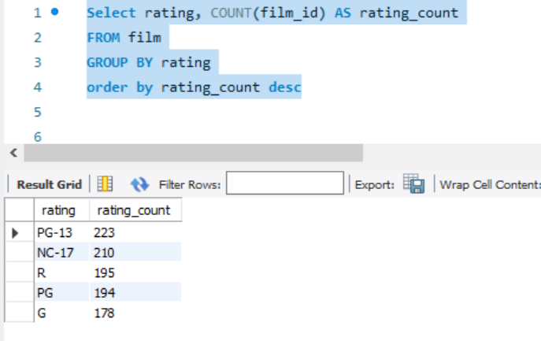
4. Total Films By Rating

Select rating, COUNT(film_id) AS rating_count
FROM film
GROUP BY rating
order by rating_count desc

EQ5
5. Films with category

Select f.title,f.description,c.name as category
from film as f
left join film_category as fc on fc.film_id=f.film_id
left join category as c on c.category_id=fc.category_id
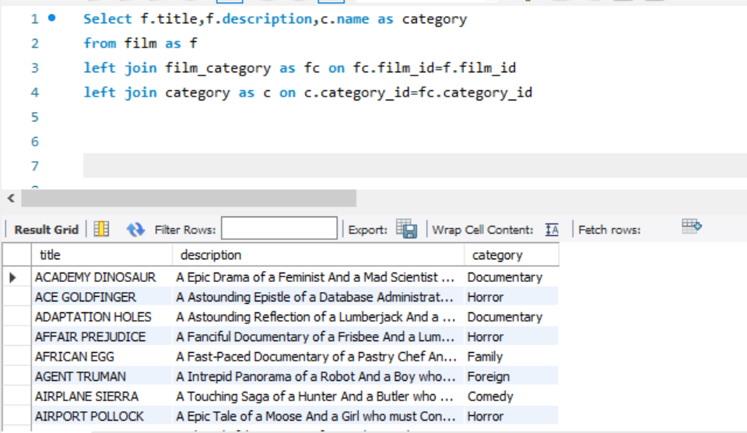
title | description | name
ACADEMY DINOSAUR | A Epic Drama of a Feminist And a Mad Scientist who must Battle a Teacher in The Canadian Rockies | Documentary
ACE GOLDFINGER | A Astounding Epistle of a Database Administrator And a Explorer who must Find a Car in Ancient China | Horror
ADAPTATION HOLES | A Astounding Reflection of a Lumberjack And a Car who must Sink a Lumberjack in A Baloon Factory | Documentary
AFFAIR PREJUDICE | A Fanciful Documentary of a Frisbee And a Lumberjack who must Chase a Monkey in A Shark Tank | Horror
AFRICAN EGG | A Fast-Paced Documentary of a Pastry Chef And a Dentist who must Pursue a Forensic Psychologist in The Gulf of Mexico | Family
AGENT TRUMAN | A Intrepid Panorama of a Robot And a Boy who must Escape a Sumo Wrestler in Ancient China | Foreign
AIRPLANE SIERRA | A Touching Saga of a Hunter And a Butler who must Discover a Butler in A Jet Boat | Comedy
AIRPORT POLLOCK | A Epic Tale of a Moose And a Girl who must Confront a Monkey in Ancient India | Horror
ALABAMA DEVIL | A Thoughtful Panorama of a Database Administrator And a Mad Scientist who must Outgun a Mad Scientist in A Jet Boat | Horror
ALADDIN CALENDAR | A Action-Packed Tale of a Man And a Lumberjack who must Reach a Feminist in Ancient China | Sports
ALAMO VIDEOTAPE | A Boring Epistle of a Butler And a Cat who must Fight a Pastry Chef in A MySQL Convention | Foreign
ALASKA PHANTOM | A Fanciful Saga of a Hunter And a Pastry Chef who must Vanquish a Boy in Australia | Music
ALI FOREVER | A Action-Packed Drama of a Dentist And a Crocodile who must Battle a Feminist in The Canadian Rockies | Horror
ALICE FANTASIA | A Emotional Drama of a A Shark And a Database Administrator who must Vanquish a Pioneer in Soviet Georgia | Classics
ALIEN CENTER | A Brilliant Drama of a Cat And a Mad Scientist who must Battle a Feminist in A MySQL Convention | Foreign
ALLEY EVOLUTION | A Fast-Paced Drama of a Robot And a Composer who must Battle a Astronaut in New Orleans | Foreign
ALONE TRIP | A Fast-Paced Character Study of a Composer And a Dog who must Outgun a Boat in An Abandoned Fun House | Music
ALTER VICTORY | A Thoughtful Drama of a Composer And a Feminist who must Meet a Secret Agent in The Canadian Rockies | Animation
AMADEUS HOLY | A Emotional Display of a Pioneer And a Technical Writer who must Battle a Man in A Baloon | Action
AMELIE HELLFIGHTERS | A Boring Drama of a Woman And a Squirrel who must Conquer a Student in A Baloon | Music
AMERICAN CIRCUS | A Insightful Drama of a Girl And a Astronaut who must Face a Database Administrator in A Shark Tank | Action
AMISTAD MIDSUMMER | A Emotional Character Study of a Dentist And a Crocodile who must Meet a Sumo Wrestler in California | New
...

EQ6
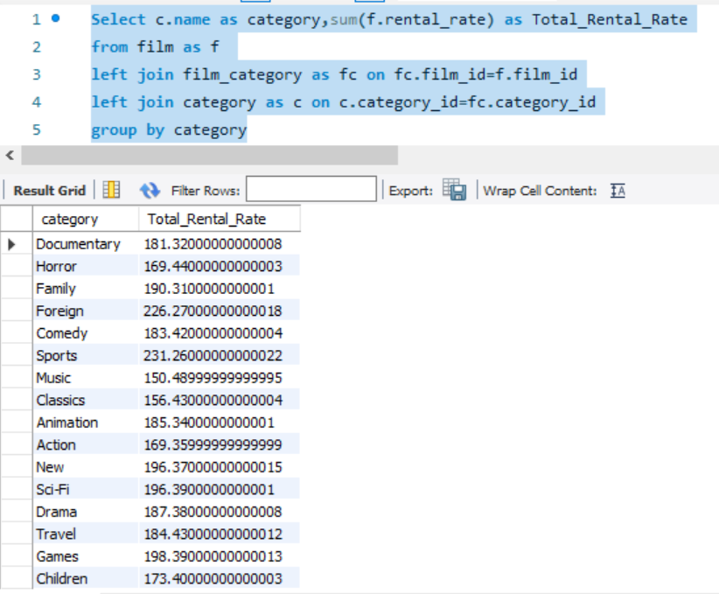
6. Total rental rate category

Select c.name as category,sum(f.rental_rate) as Total_Rental_Rate
from film as f
left join film_category as fc on fc.film_id=f.film_id
left join category as c on c.category_id=fc.category_id
group by category

EQ7
7. Highest films done by an actor

select a.actor_id ,a.first_name , a.last_name, count(fa.film_id) as total_film
from actor as a
left join film_actor as fa on a.actor_id= fa.actor_id
group by a.actor_id ,a.first_name , a.last_name
order by total_film desc

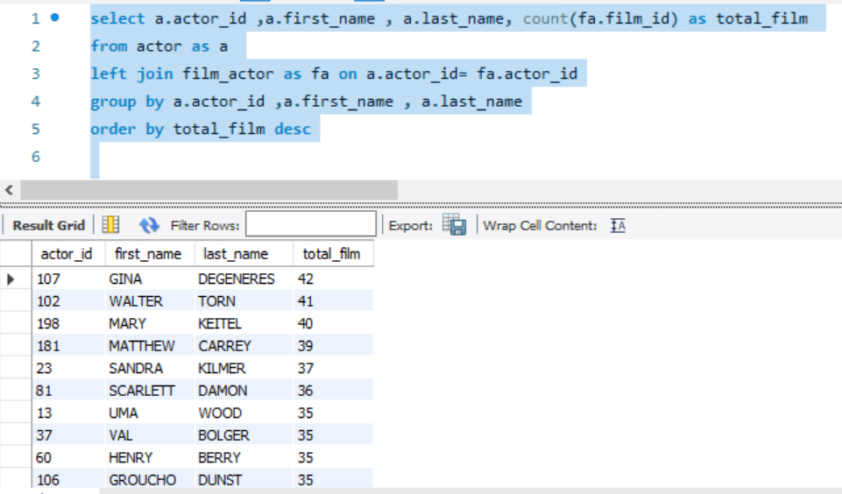
actor_id | first_name | last_name | total_film
107 | GINA | DEGENERES | 42
102 | WALTER | TORN | 41
198 | MARY | KEITEL | 40
181 | MATTHEW | CARREY | 39
23 | SANDRA | KILMER | 37
81 | SCARLETT | DAMON | 36
13 | UMA | WOOD | 35
37 | VAL | BOLGER | 35
60 | HENRY | BERRY | 35
106 | GROUCHO | DUNST | 35
144 | ANGELA | WITHERSPOON | 35
158 | VIVIEN | BASINGER | 35
65 | ANGELA | HUDSON | 34
92 | KIRSTEN | AKROYD | 34
105 | SIDNEY | CROWE | 34
108 | WARREN | NOLTE | 34
150 | JAYNE | NOLTE | 34
26 | RIP | CRAWFORD | 33
27 | JULIA | MCQUEEN | 33
83 | BEN | WILLIS | 33
90 | SEAN | GUINESS | 33
94 | KENNETH | TORN | 33
101 | SUSAN | DAVIS | 33
...

Q2
2. Which films have the highest rental rates and are most in demand?

select title, description , sum(rental_rate) as total_rental_rate
from film
where rental_rate = "4.99"
group by title , description

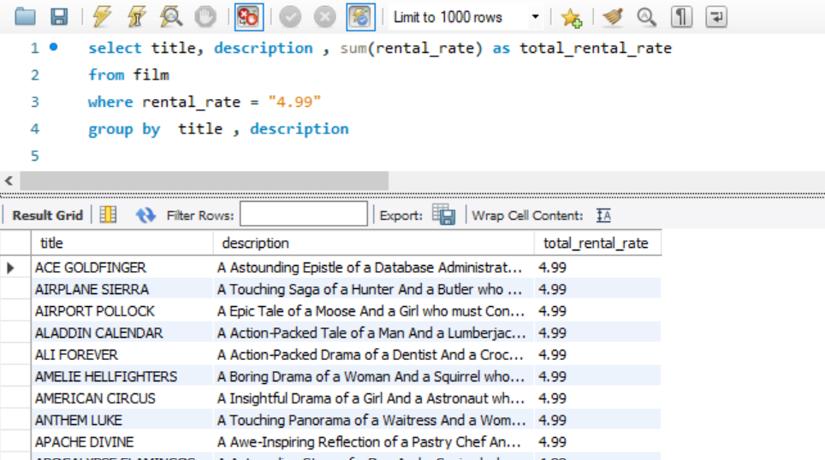
title | description | total_rental_rate
ACE GOLDFINGER | A Astounding Epistle of a Database Administrator And a Explorer who must Find a Car in Ancient China | 4.99
AIRPLANE SIERRA | A Touching Saga of a Hunter And a Butler who must Discover a Butler in A Jet Boat | 4.99
AIRPORT POLLOCK | A Epic Tale of a Moose And a Girl who must Confront a Monkey in Ancient India | 4.99
ALADDIN CALENDAR | A Action-Packed Tale of a Man And a Lumberjack who must Reach a Feminist in Ancient China | 4.99
ALI FOREVER | A Action-Packed Drama of a Dentist And a Crocodile who must Battle a Feminist in The Canadian Rockies | 4.99
AMELIE HELLFIGHTERS | A Boring Drama of a Woman And a Squirrel who must Conquer a Student in A Baloon | 4.99
AMERICAN CIRCUS | A Insightful Drama of a Girl And a Astronaut who must Face a Database Administrator in A Shark Tank | 4.99
ANTHEM LUKE | A Touching Panorama of a Waitress And a Woman who must Outrace a Dog in An Abandoned Amusement Park | 4.99
APACHE DIVINE | A Awe-Inspiring Reflection of a Pastry Chef And a Teacher who must Overcome a Sumo Wrestler in A U-Boat | 4.99
APOCALYPSE FLAMINGOS | A Astounding Story of a Dog And a Squirrel who must Defeat a Woman in An Abandoned Amusement Park | 4.99
ATTACKS HATE | A Fast-Paced Panorama of a Technical Writer And a Mad Scientist who must Find a Feminist in An Abandoned Mine Shaft | 4.99
ATTRACTION NEWTON | A Astounding Panorama of a Composer And a Frisbee who must Reach a Husband in Ancient Japan | 4.99
AUTUMN CROW | A Beautiful Tale of a Dentist And a Mad Cow who must Battle a Moose in The Sahara Desert | 4.99
BABY HALL | A Boring Character Study of a A Shark And a Girl who must Outrace a Feminist in An Abandoned Mine Shaft | 4.99
BACKLASH UNDEFEATED | A Stunning Character Study of a Mad Scientist And a Mad Cow who must Kill a Car in A Monastery | 4.99
BEAST HUNCHBACK | A Awe-Inspiring Epistle of a Student And a Squirrel who must Defeat a Boy in Ancient China | 4.99
BEAUTY GREASE | A Fast-Paced Display of a Composer And a Moose who must Sink a Robot in An Abandoned Mine Shaft | 4.99
BEHAVIOR RUNAWAY | A Unbelieveable Drama of a Student And a Husband who must Outrace a Sumo Wrestler in Berlin | 4.99
BETRAYED REAR | A Emotional Character Study of a Boat And a Pioneer who must Find a Explorer in A Shark Tank | 4.99
BIKINI BORROWERS | A Astounding Drama of a Astronaut And a Cat who must Discover a Woman in The First Manned Space Station | 4.99
BILKO ANONYMOUS | A Emotional Reflection of a Teacher And a Man who must Meet a Cat in The First Manned Space Station | 4.99
BIRCH ANTITRUST | A Fanciful Panorama of a Husband And a Pioneer who must Outgun a Dog in A Baloon | 4.99
...

Q3
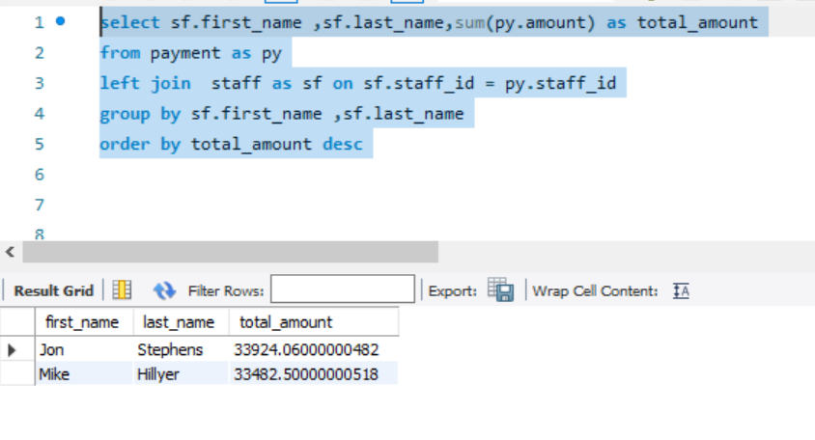
3. Are there correlations between staff performance and customer satisfaction?

select sf.first_name ,sf.last_name,sum(py.amount) as total_amount
from payment as py
left join staff as sf on sf.staff_id = py.staff_id
group by sf.first_name ,sf.last_name
order by total_amount desc

